Cover Page
Risk Register and Plan
The purpose of this document is to anticipate project risks and provide potential plans for mitigation and remediation. Risks can be quantified by using the matrix listed below
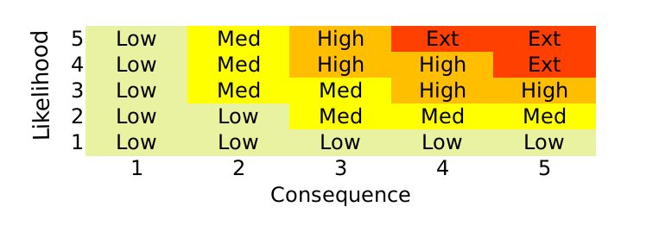

Project Name | Pokémon Plushie Shop
Project Ref No. | PRJ24
Project Manager | Professor Oak
Project Sponsor | Ash Ketchem

Name | Role | Risk Management Responsibilities
Jed | Full Stack Developer | System related
Professor Oak | Project Manager | Timeline, Budget, and Scope related
James | Commercial Business Partner | Costing of Goods related
Misty | Marketing Business Partner | Marketing related

